Sheet1
Prius Adaptor Pin Map

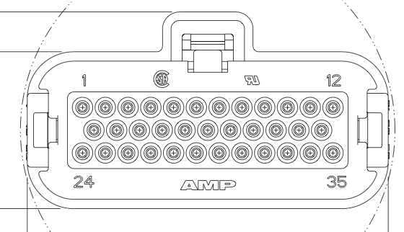
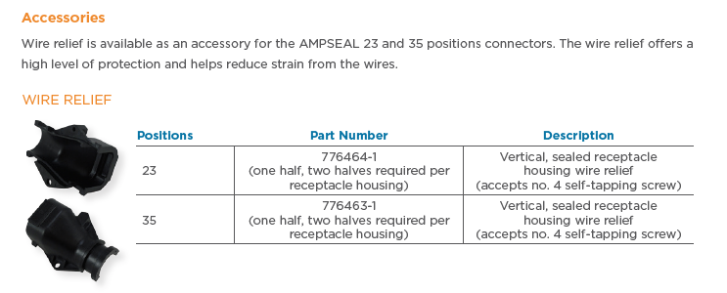
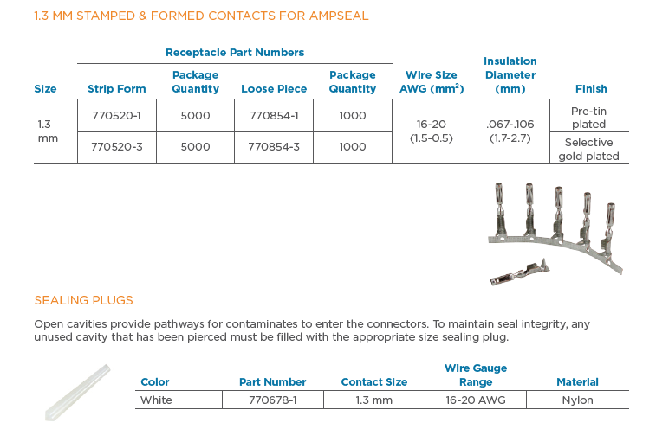

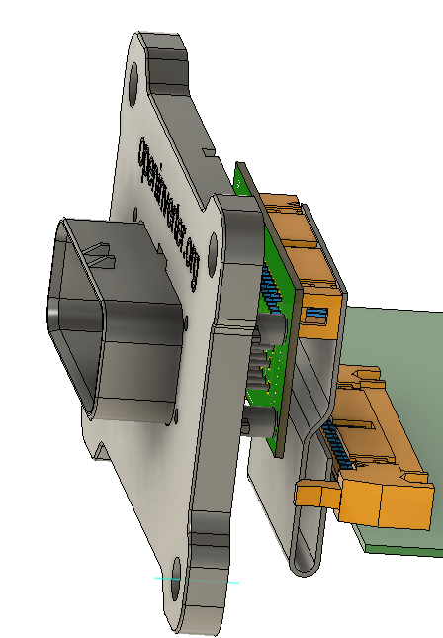
 |  | Straight / Vertical Version
Mating part | J1 | Horizontal Version |  | Straight / Vertical:
Ampseal 776164 | Ampseal 776231 | PL1
 |  | Pin map same for both versions |  | PL1 mounted on reverse
 | Pin | Pin | Comment | of PCB
 | 1 | 1 2 | For power
 | 2 | 7
 | 3 | 12
 | 4 | 13
 | 5 | 18
 | 6 | 20
 | 7 | 23
 | 8 | 25
 | 9 | 27
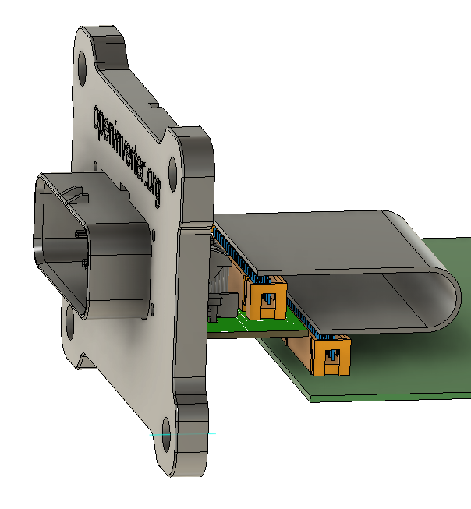
 | 10 | 31 |  | Horizontal:
 | 11 | 33
 | 12 | 35 |  | PL1 mounted on same side
 | 13 | 8 |  | of PCB
 | 14 | 9
 | 15 | 14
 | 16 | 15
 | 17 | 19
 | 18 | 21
 | 19 | 24
 | 20 | 28
 | 21 | 30
 | 22 | 34
 | 23 | 37 38 | For power
 | 24 | 3 4 | For power
 | 25 | 5
 | 26 | 10
 | 27 | 11
 | 28 | 16
 | 29 | 17
 | 30 | 22
 | 31 | 26
 | 32 | 29
 | 33 | 32
 | 34 | 36
 | 35 | 39 40 | For power

